Fig. 1, Exterior View
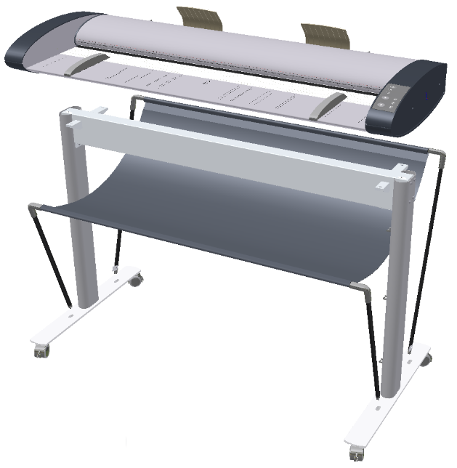
Fig. 1, Exterior View
1-02, Basket Assembly
Floor Stand
1-01, Castor (x4))
1-05, Return Guide (IQ24/44)
1-04, Paperguide (IQ24/44) (x2)
1-06, Elbow for Tube

1-07, Adapter for Tube

Return to Spare Part List

Fig. 2, Top View - IQQ
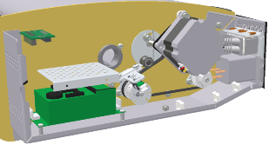
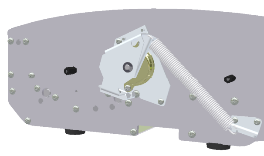
Fig. 2, Top View
2-03, SUR Board
2-04, CIS Unit
2-13, Glass Plate
2-08, Pressure Roller (x3/x5/x6)
2-06, Lid Open Sensor
2-06, Paper Sensors (x1)
2-10, Oil Damper
2-01, Power Entry Module
2-12, LHS End Cover
2-01, Power Supply
2-05, Stepper Motor Assy
2-07, Tacho Sensor
2-09, Cover Assy, IQ24/44
2-11, Ethernet + USB2.0 Cable
2-14
2-17, PSU Bracket
2-15, Feed Roller
2-16, Idle Rollers
2-18, Drive Belt
2-19, Latch Kit
2-19, Latch Kit
2-20, Pulley
2-21, CIS Element
2-22, Snap-Lock for Glass
Return to Spare Part List

Return to Spare Part List | Return to Spare Part List

Fig. 3, Top View - IQQX
Fig. 3, IQQX Top View
3-08, Pressure Roller (x5/x6)
3-07, Lid Open Sensor
3-07, Paper Sensors (x1)
3-21, FFC Cables
3-10, Oil Damper
3-01, Inlet
3-19, LHS End Cover
3-02, RFI Filter
3-06, Stepper Motor Assy
3-18, Pulley
3-09, Cover Assy, IQQX
3-11, USB3.0 + GbE Cable
3-16, SUX Board
3-14, PSU Bracket
3-12, Feed Roller
3-03, Power Supply
3-04, CBUA Board
3-14, Drive Belt
3-17, Latch Kit
3-20, Glass Plate
3-13, Idle Rollers
3-05, CIS Element
3-17, Latch Kit
3-22, Snap-Lock for Glass
Return to Spare Part List

Return to Spare Part List | Return to Spare Part List

